Unit Test
Test Report

EXECUTED | PASSED |  |  | 42
 | FAILED |  |  | 0
 | (Total) TESTS EXECUTED (PASSED + FAILED) |  |  |  | 42
Pending |  |  |  |  | 0
(EXECUTED + PENDING) |  |  |  |  | 42

Functions | Description | % TCs Executed | % TCs Passed | TCs pending | Priority | Remarks | Number of defects
Circle.Perimeter() | public method Circle.Perimeter() | 100% | 100% | 0% | High | NA | 0
Circle.Area() | public method Circle.Area() | 100% | 100% | 0% | High | NA | 0
Rectangle.Perimeter() | public method Rectangle.Perimeter() | 100% | 100% | 0% | High | NA | 0
Rectangle.Area() | public method Rectangle.Area() | 100% | 100% | 0% | High | NA | 0
Square.Perimeter() | public method Square.Perimeter() | 100% | 100% | 0% | High | NA | 0
Square.Area() | public method Square.Area() | 100% | 100% | 0% | High | NA | 0
Trapezoid.Perimeter() | public method Trapezoid.Perimeter() | 100% | 100% | 0% | High | NA | 0
Trapezoid.Area() | public method Trapezoid.Area() | 100% | 100% | 0% | High | NA | 0

CR ID | Bug description |  |  | Test Case ID | Priority | Severity | Open date | Status | Raised By | Tested on Version
 | Steps to Reproduce | Expected Results | Actual Results

TC# | Target unit | Test data | Expected result | VS Unit Test | Status
1 | Circle.Area() | 5 | 78.54 | 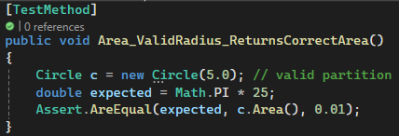 | Pass
2 | Circle.Perimeter() | 5 | 31.42 |  | Pass
3 | Circle.Area() | 0.0001 | 0.00000003 | 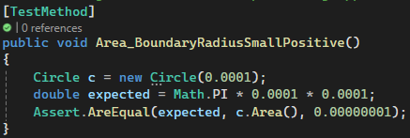 | Pass
4 | Circle.Perimeter() | 0.0001 | 0.0006 |  | Pass
5 | Circle.Area() | 1000 | 3,141,592.65 | 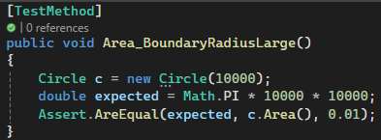 | Pass
6 | Circle.Perimeter() | 1000 | 6,283.19 | 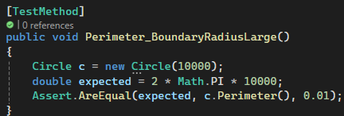 | Pass
7 | Circle (radius) // radius = -5 | -5 | Thrown exception |  | Pass
8 | Circle (radius) // radius = 0 | 0 | Thrown exception |  | Pass
9 | Square.Area() | 4 | 16.00 | 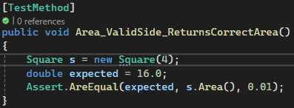 | Pass
10 | Square.Perimeter() | 4 | 16.00 |  | Pass
11 | Square.Area() | 0.0001 | 0.00000001 | 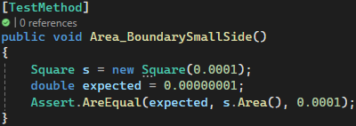 | Pass
12 | Square.Perimeter() | 0.0001 | 0.0004 |  | Pass
13 | Square.Area() | 10000 | 100,000,000.00 | 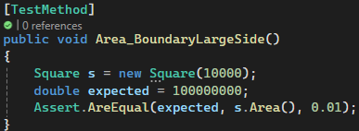 | Pass
14 | Square.Perimeter() | 10000 | 40,000.00 | 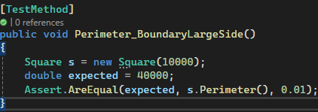 | Pass
15 | Square(side) // side = -5 | -5 | Thrown exception |  | Pass
16 | Square(side) // side = 0 | 0 | Thrown exception |  | Pass
17 | Rectangle.Area() | (5.0,3.0) | 15.00 |  | Pass
18 | Rectangle.Perimeter() | (5.0,3.0) | 16.00 |  | Pass
19 | Rectangle.Area() | (0.0001,0.0001) | 0.00000001 | 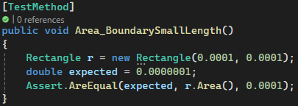 | Pass
20 | Rectangle.Perimeter() | (0.0001,0.0001) | 0.0004 |  | Pass
21 | Rectangle.Area() | (10000, 20000) | 200,000,000.00 | 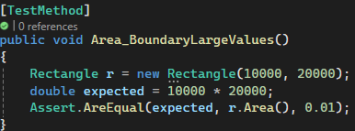 | Pass
22 | Rectangle.Perimeter() | (10000, 20000) | 60,000.00 | 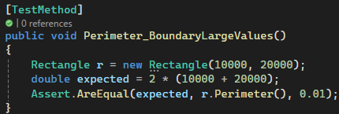 | Pass
23 | Rectangle(length,width) | (-5, 3) | Thrown exception |  | Pass
24 | Rectangle(length,width) | (5, -3) | Thrown exception |  | Pass
25 | Rectangle(length,width) | (5, 0) | Thrown exception |  | Pass
26 | Rectangle(length,width) | (0, 3) | Thrown exception |  | Pass
27 | Trapezoid.Area() | (4, 6, 3, 3, 5) | 25.00 | 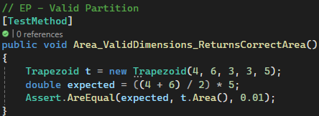 | Pass
28 | Trapezoid.Perimeter() | (4, 6, 3, 3, 5) | 16.00 |  | Pass
29 | Trapezoid.Area() | (0.0001, 0.0001, 1, 1, 0.0001) | 0.00000001 |  | Pass
30 | Trapezoid.Perimeter() | (0.0001, 0.0001, 1, 1, 0.0001) | 2.0002 |  | Pass
31 | Trapezoid.Area() | (10000, 10000, 20000, 20000, 10000) | 100,000,000.00 |  | Pass
32 | Trapezoid.Perimeter() | (10000, 10000, 20000, 20000, 10000) | 6,000.00 |  | Pass
33 | Trapezoid(base1, base2, side1, side2,height) | (4, 6, 3, 3, -1) | Thrown exception |  | Pass
34 | Trapezoid(base1, base2, side1, side2,height) | (4, 6, 3, -3, 1) | Thrown exception |  | Pass
35 | Trapezoid(base1, base2, side1, side2,height) | (4, 6, -3, 3, 1) | Thrown exception |  | Pass
36 | Trapezoid(base1, base2, side1, side2,height) | (4, -6, 3, 3, 1) | Thrown exception |  | Pass
37 | Trapezoid(base1, base2, side1, side2,height) | (-4, 6, 3, 3, 1) | Thrown exception |  | Pass
38 | Trapezoid(base1, base2, side1, side2,height) | (0, 6, 3, 3, 5) | Thrown exception |  | Pass
39 | Trapezoid(base1, base2, side1, side2,height) | (4, 0, 3, 3, 5) | Thrown exception |  | Pass
40 | Trapezoid(base1, base2, side1, side2,height) | (4, 6, 0, 3, 5) | Thrown exception |  | Pass
41 | Trapezoid(base1, base2, side1, side2,height) | (4, 6, 3, 0, 5) | Thrown exception |  | Pass
42 | Trapezoid(base1, base2, side1, side2,height) | (4, 6, 3, 3, 0) | Thrown exception |  | Pass

System Test
Test Report

EXECUTED | PASSED |  |  | 22
 | FAILED |  |  | 0
 | (Total) TESTS EXECUTED (PASSED + FAILED) |  |  |  | 22
Pending |  |  |  |  | 0
(EXECUTED + PENDING) |  |  |  |  | 22

Functions | Description | % TCs Executed | % TCs Passed | TCs pending | Priority | Remarks | Number of defects
System Input Validation | Validate menu options and shape inputs | 100% | 100% | 0% | High | All invalid and valid inputs tested manually | 0
System Flow Control | Menu navigation and repeat/retry logic | 100% | 100% | 0% | Medium | Navigation tested (valid/invalid inputs), retry prompts shown | 0
Exit Program Option | User selects Exit from menu | 100% | 100% | 0% | Low | Exits as expected | 0

CR ID | Bug description |  |  | Test Case ID | Priority | Severity | Open date | Status | Raised By | Tested on Version
 | Steps to Reproduce | Expected Results | Actual Results

TC# | Target unit | Test data | Expected result | Manual test | Status
1 | Square.Area() | 5 | 25 | 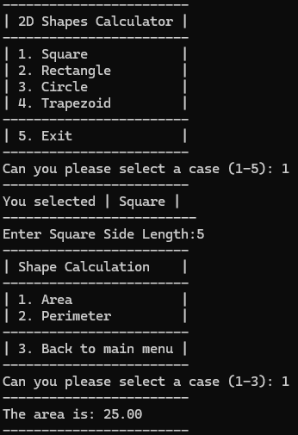 | Pass
2 | Square.Perimeter() | 5 | 20 | 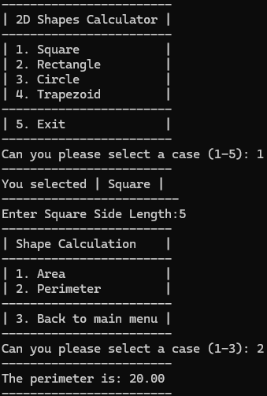 | Pass
3 | Square() | -1 | Print :"The demention must be a non-negative number. Please try again!" and perform a loop to enter input | 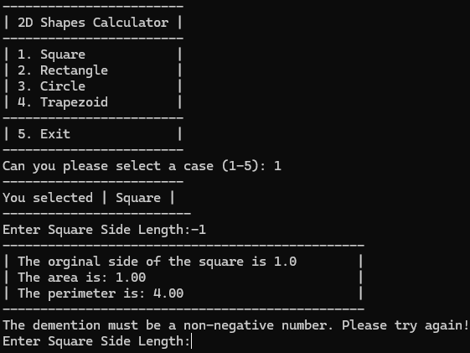 | Pass
4 | Rectangle.Area() | (5,3) | 15 | 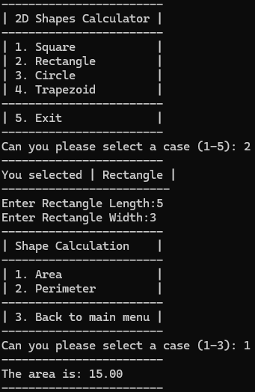 | Pass
5 | Rectangle.Perimeter() | (5,3) | 16 | 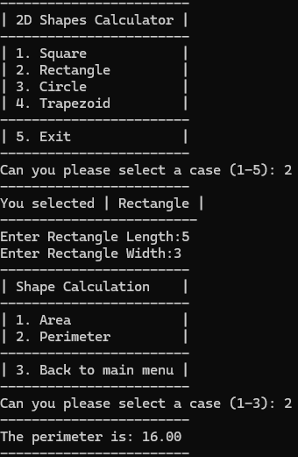 | Pass
6 | Rectangle() | Leng = -1 | Print :"The demention must be a non-negative number. Please try again!" and perform a loop to enter input | 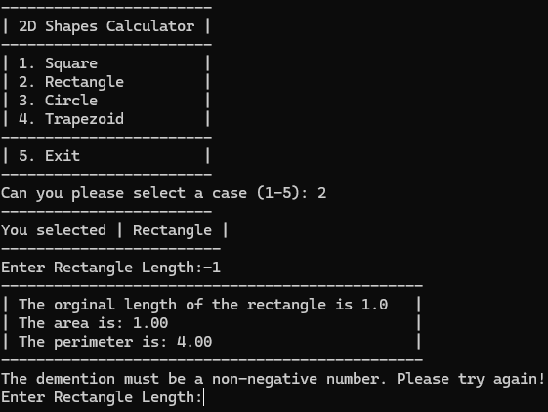 | Pass
7 | Rectangle() | Width = -1 | Print :"The demention must be a non-negative number. Please try again!" and perform a loop to enter input | 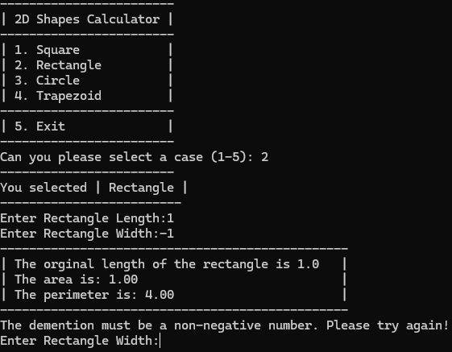 | Pass
8 | Circle.Area() | 5 | 78.54 | 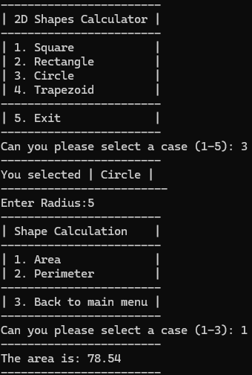 | Pass
9 | Circle.Perimeter() | 5 | 31.42 | 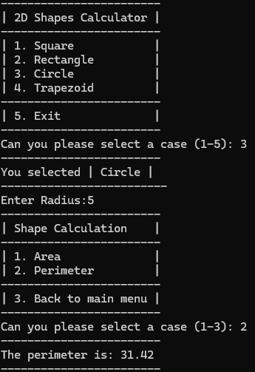 | Pass
10 | Circle() | -1 | Print :"The demention must be a non-negative number. Please try again!" and perform a loop to enter input | 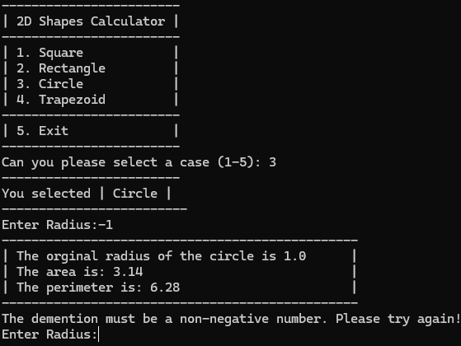 | Pass
11 | Trapezoid.Area() | (4,6,3,3,1) | 15.00 | 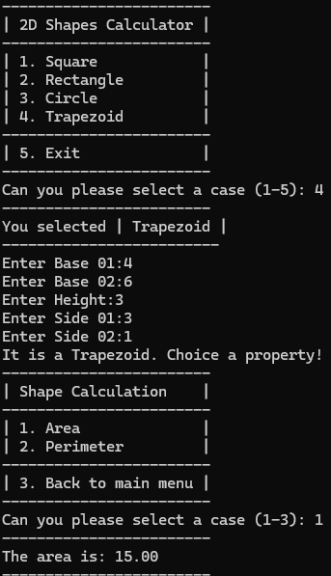 | Pass
12 | Trapezoid.Perimeter() | (4,6,3,3,1) | 14.00 | 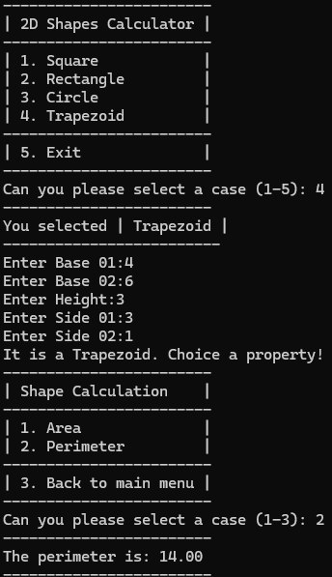 | Pass
13 | Trapezoid() - Check Input Valid but not a trapezoid | Base1: 10 Base2: 2 Side1: 1 Side2: 1 Height: 8 | Print "It is not a Trapezoid. Please try again." And implement a loop to enter input | 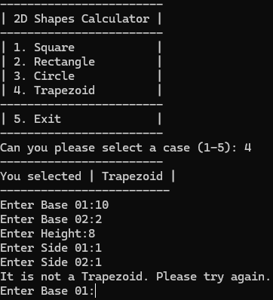 | Pass
14 | Trapezoid() | Base1: -1 Base2: -1 Side1: -1 Side2: -1 Height: -1 | Print "It is not a Trapezoid. Please try again." And implement a loop to enter input | 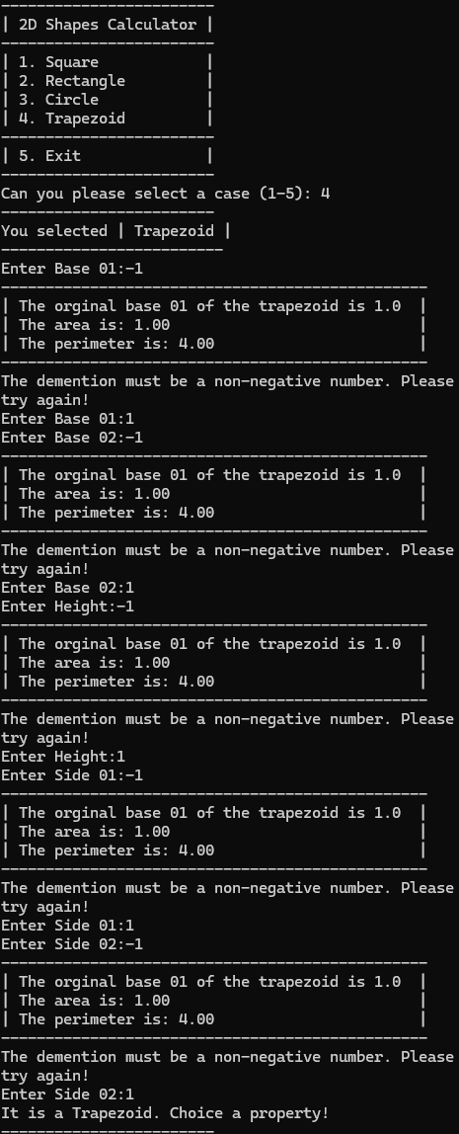 | Pass

15 | 2D Shapes Calculator Menu | 0 | Print "Invalid choice. Press Enter to try again." and implement a loop to choice | 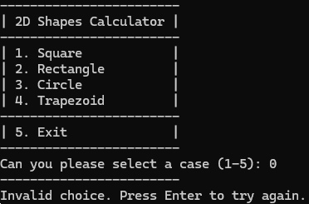 | Pass
16 | 2D Shapes Calculator Menu | a | Print "Invalid choice. Press Enter to try again." and implement a loop to choice | 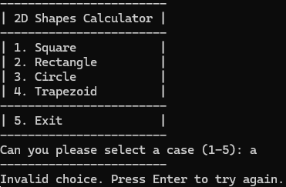 | Pass
17 | 2D Shapes Calculator Menu | 6 | Print "Invalid choice. Press Enter to try again." and implement a loop to choice | 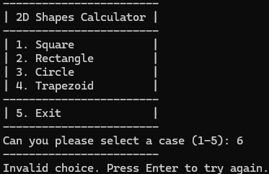 | Pass
18 | Shape Calculation Menu | 0 | Print "Invalid calculation choice." And implement a question: "Would you like to calculate another property? (Press Y for Yes, or any other key to exit):" | 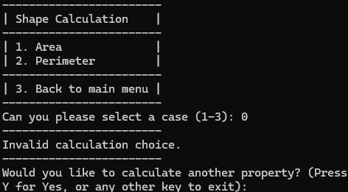 | Pass
19 | Shape Calculation Menu | 4 | Print "Invalid calculation choice." And implement a question: "Would you like to calculate another property? (Press Y for Yes, or any other key to exit):" |  | Pass
20 | Shape Calculation Menu | a | Print "Invalid calculation choice." And implement a question: "Would you like to calculate another property? (Press Y for Yes, or any other key to exit):" | 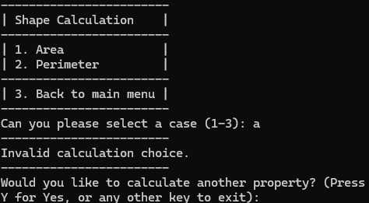 | Pass
21 | 2D Shapes Calculator Menu - Exit menu | 5 | Exit program | 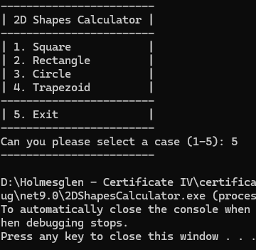 | Pass
22 | Shape Calculation Menu - Exit menu | 3 | Exit this menu and back 2D Shapes Calculator Menu | 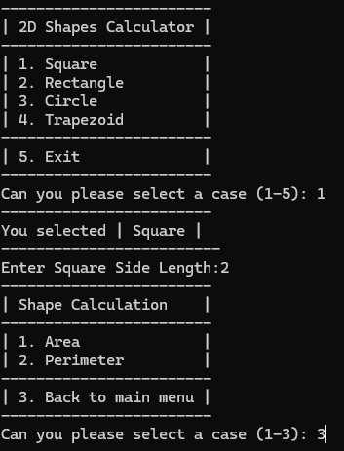 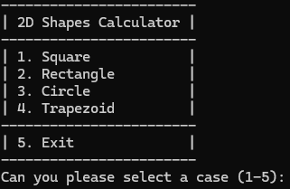 | Pass

